1. Title Page
[Project Name]

Project Name: Instacart Data Analysis
Date: 15.12.2024
Analyst Name: Anja Alsen

Contents:
Population Flow
Consistency checks
Wrangling steps
Column derivations
Visualizations
Recommendations

Data Source
“The Instacart Online Grocery Shopping Dataset 2017”, Accessed from www.instacart.com/datasets/grocery-shopping-2017 via Kaggle on 9/4/2024.
The customer data you explored, as well as the “prices” column in the products data set, were both fabricated for the purpose of this course

2. Population Flow
Title page

Population flow

Exclusion flag
Condition: max_order < 5
Obervations to be removed: 1,444,295
Final total count of order_products_all: 30,964,564

Orders_products_combined
Orders_products_merged
Orders_products_customers_departmentsall

Total: 32,404,859
Total: 32,434,489
Total: 32,404,858

1.) The grey boxes in the first row of the population flow represent the original data sets as they were when you downloaded them. In the Total fields you need to add the count of the rows when you imported the data set into Jupyter.
2.) The second row of boxes (coloured) represents the data sets after you manipulated them, e.g., removed missing values and duplicates. In the Total fields you need to add the count of the rows after conducting these operations. This offers a visual oveview of how the data flows throughout the data consistency checks.
3.) The third row, where also the arrows are coloured, represents the merges you performed between the datasets. In the Total fields you need to add the count of the rows in the merged datasets, so that you end up with the final dataset (in the red box). Keep in mind the final dataset should be without exclusions (based on the exclusion flag).

3. Consistency checks
 |  |  |  | Title page
Consistency checks

Dataset | Missing values | Missing values treatment | Duplicates
orders | 206209 values missing in the days_since_prior_order_column | flag for more information | no duplicates were found
products | 16 values in product_name column | Create data frame without missing values by subsetting. | 5 duplicates deleted
orders_products_prior | None | None | No duplicates
customers | None | None | No duplicates

4. Wrangling steps
 |  |  |  | Title page
Wrangling steps

Columns dropped | Columns renamed | Columns' type changed | Comment/Reason
eval_set |  |  | column belonged to a prior data set and is now irrelevant.
 | orders_dow = orders _day_of_the_week |  | the name 'orders_dow' was not self-explanatory
 |  | order_id | changed from integer to string to exclude from nonsensical calculation (i.e. for descriptive statistics)
 |  | user_id | changed from integer to string to exclude from nonsensical calculation (i.e. for descriptive statistics)
 | Surnam to Surname |  | maintain naming convention
 | STATE to State |  | maintain naming convention
_merged |  |  | not needed

5. Column derivations
 |  |  |  |  | Title page

Column derivations and aggregations

In this tab you should add tables below that the frequences of flags/label variables that you produced after deriving them. NB: don't do this for continuous variables, only for flags.
Dataset | New column | Column/s it was derived from | Conditions
orders_products_merge | price_range | prices | df.loc[df['prices'] > 15, 'price_range_loc'] = 'High-range product'
 |  |  | df.loc[(df['prices'] <= 15) & (df['prices'] > 5), 'price_range_loc'] = 'Mid-range product'
 |  |  | df.loc[df['prices'] <= 5, 'price_range_loc'] = 'Low-range product'
orders_products_merge | Busiest_day | orders_day_of_the_week | if value == 0: result.append("Busiest day") elif value == 4: result.append("Least busy") else: result.append("Regularly busy")
orders_products_merge | Busiest_days | orders_day_of_the_week | for value in ords_prods_merge["orders_day_of_the_week"]: if value in [0, 1]: result2.append("Busiest days") elif value in [3, 4]: result2.append("Least busy") else: result2.append("Regularly busy")
orders_products_merge | busiest_period_of_day | order_hour_of_day | for value in ords_prods_merge["order_hour_of_day"]: if value in [10, 11, 14, 15, 13, 12, 16, 9]: result3.append("Most orders") elif value in [3, 4, 2, 5, 1, 0, 6, 23 ]: result3.append("Average orders") else: result3.append("Fewest orders") | v
orders_products_merge | max_order | order_number | maximum number of orders placed by each user
orders_products_merge | loyalty_flag | max_order | If the maximum orders the user has made is over 40, then the customer will be labeled a “Loyal customer.” If the maximum orders the user has made is over 10 but less than or equal to 40, then the customer will be labeled a “Regular customer.” If the maximum orders the user has made is less than or equal to 10, then the customer will be labeled a “New customer.”
orders_products_merge | average_spend | prices | average amount spent per item and customer
orders_products_merge | spending_flag | average_spend | if avg_price < 10 then 'Low spender' if avg_price >= 10 then 'High spender'
orders_products_merge | customer_frequency | days_since_prior_order | median time since last order
orders_products_merge | frequency_flag | customer_frequency | if median_days_since_prior_order > 20 then 'Non-frequent customer' if median_days_since_prior_order > 10 & median_days_since_prior_order <= 20 then 'Regular customer' if median_days_since_prior_order < = 10 then 'Frequent customer'

6. Visualizations
 |  | Title page

Visualisations

In this tab you should include all the visualtions from Exercises 4.9 and 4.10, alongside the questions from the project brief that they answer. Include any commentary on the relationship between different variables.

Question: The sales team would like to know what are the busiest days of the week and the busiest hours of the day.

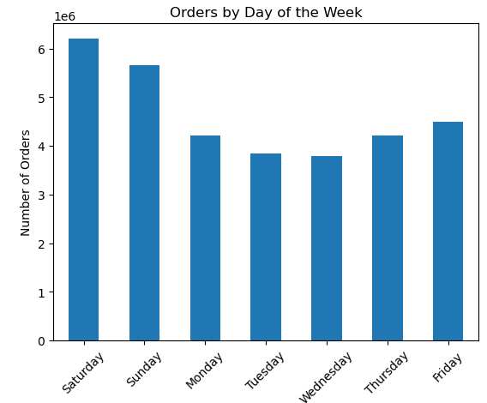
 |  | Orders by Hour of Day
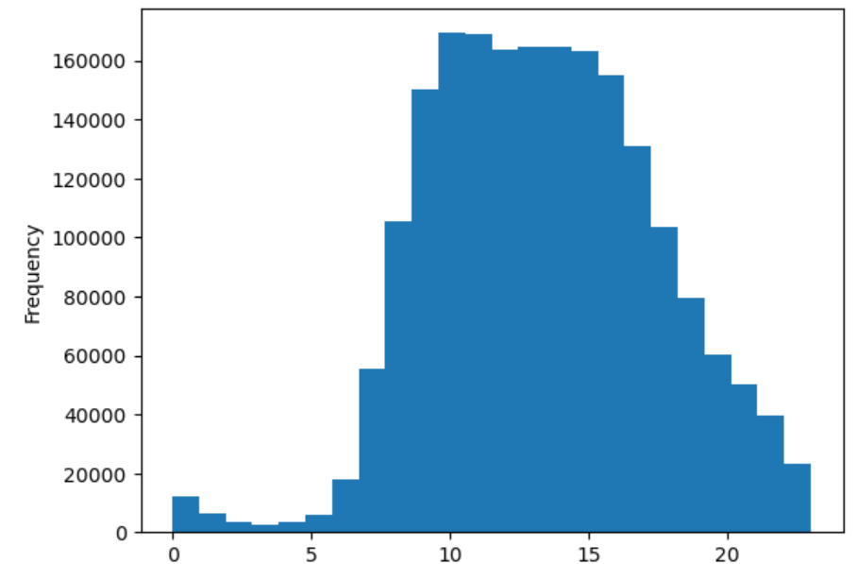

 |  | orders_hour_of_day (24 hour rhythm)

Answer: The most orders are effectuated Fridays to Sundays between 9 am and 16 pm.¶

Question: They also want to know whether there are particular times of the day when people spend the most money,

 | Prices by hour of day
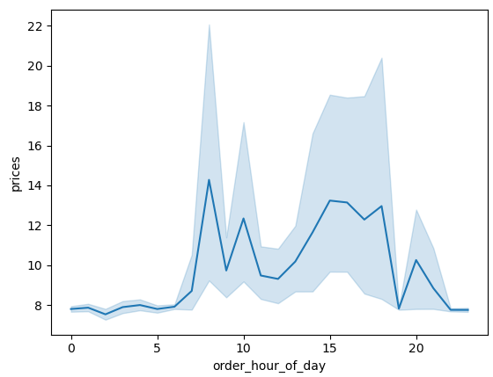

Answer: People spend the most money during the hours of 8am to 4pm. 9 am is when people spend the most money. Therefore, Instacart should utilize those times to advertise specific products.

Question: Are there certain products that are more popular than others?

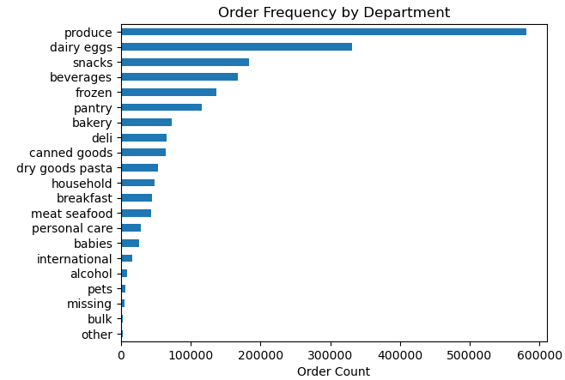

Answer: Produce, Dairy/eggs, snacks, and beverages are the biggest sellers by department

Question
What is the distribution among users as to how often they return to Instacart?

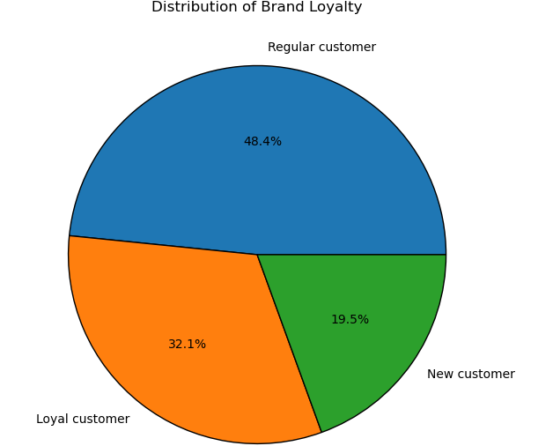

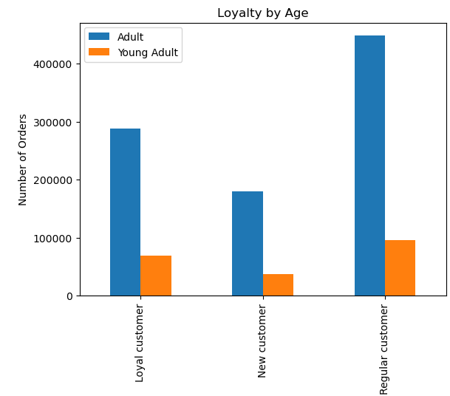

Answer: The majority of customers are regular customers who are ordering between 10 and 40 times at Instacart. There are predominantly adult and less young customers.

Question: Are there differences in ordering habits based on a customer’s region?

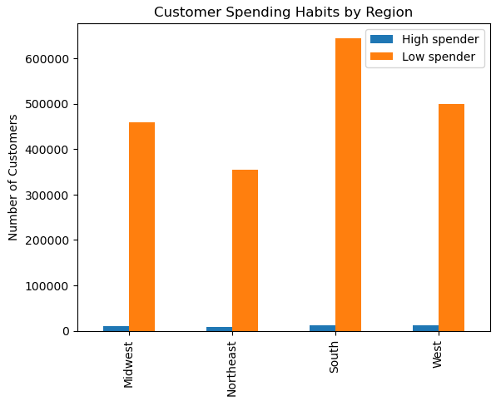

Answer: The Western Region has the highest number of High Spenders wheras the Northeast has the lowest amount. as well as low spenders, follwed by West then Midwest and finally Northeast. The Sounth has the highest number of low spenders. This difference may stem from to the differnt population size in differnt regions. All regions have by far more Low spenders than High Spenders.

Question: Is there a connection between age and family status in terms of ordering habits?

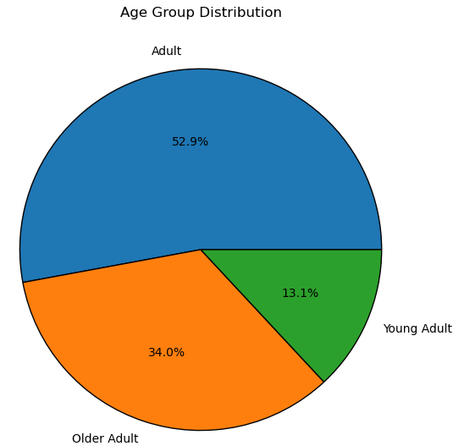
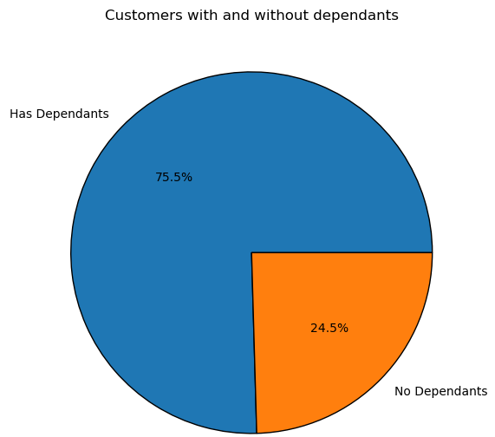
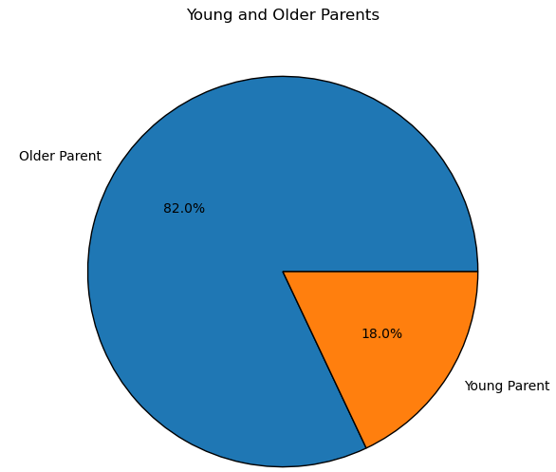

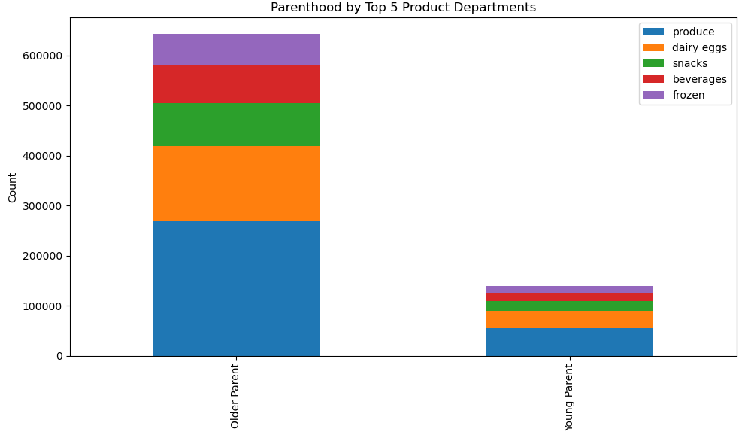
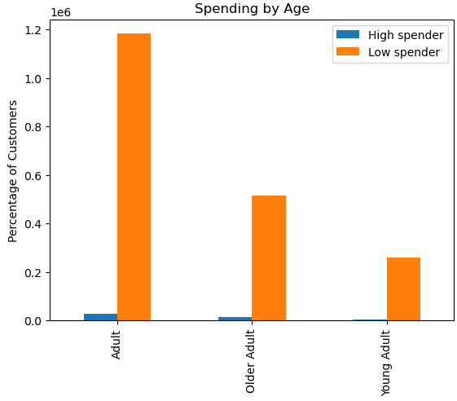

Answer: The majority of customer is between 25 and 60 years old.75% have no dependants. There seems to be no differents between the choice of preferred products between customers with and without dependants. Adults between 25 and 60 spend more money shopping than younger or older customers.

Question: What different classifications does the demographic information suggest?

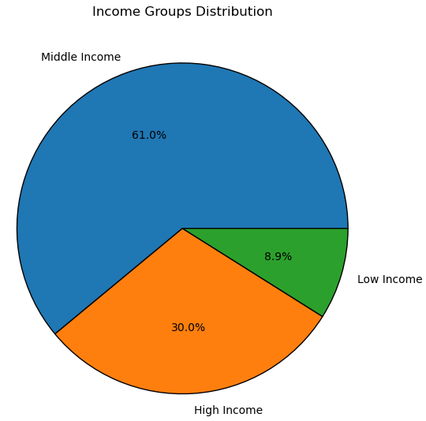

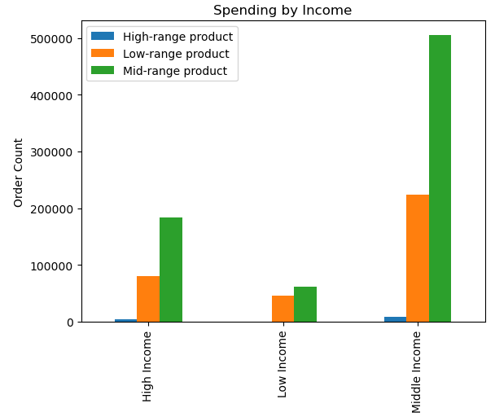
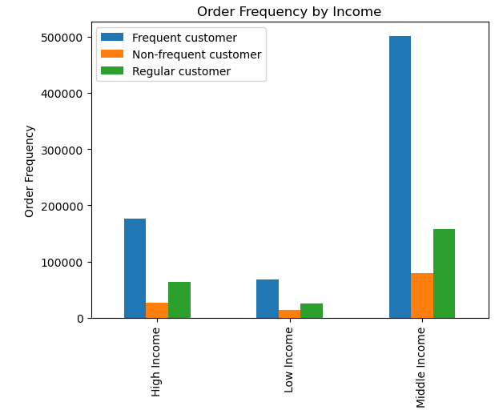

Answer: There seems to be now linear connection between income and price choise or order frequency. Only a small percentage of orders includes high price products, high income customers place less orders than middle income users and buy predominantly mid-range products.

7. Recommendations
 |  |  | Title page

Recommendations

In this tab you should include any recommendations you would made to Instcart in terms of their marketing strategy based on the questions posed in the brief. Every key question has been covered in the Tasks of the Exercises - here you need to add an item - a visualisation or table/crosstable that is showing the answer in the data, acompanied by a comment from you. Please, list the questions below and add the answer underneath.

Question | Answer | Recommendation
The sales team would like to know what are the busiest days of the week and the busiest hours of the day. | The most orders are effectuated Fridays to Sundays between 9 am and 16 pm.¶ | Instacart should focus marketing campaigns and promotions on Fridays to Sundays between 9 AM and 4 PM to capitalize on peak order times, increasing customer engagement and sales.
They also want to know whether there are particular times of the day when people spend the most money, | People spend the most money during the hours of 8am to 4pm. 9 am is when people spend the most money. Therefore, Instacart should utilize those times to advertise specific products. | Instacart should prioritize advertising high-value products and promotions between 8 AM and 4 PM to maximize revenue during peak spending hours.
Are there certain products that are more popular than others? | Produce, Dairy/eggs, snacks, and beverages are the biggest sellers by department | Instacart should highlight promotions and advertisements for popular departments like Produce, Dairy/Eggs, Snacks, and Beverages to drive more sales and attract repeat customers.
What is the distribution among users as to how often they return to Instacart? | The majority of customers are regular customers who are ordering between 10 and 40 times at Instacart. There are predominantly adult and less young customers. | Instacart should focus retention strategies, such as loyalty programs and personalized promotions, on regular customers (10-40 orders) while targeting adult users with tailored offers to maintain and increase their engagement.
Are there differences in ordering habits based on a customer’s region? | The Western Region has the highest number of High Spenders wheras the Northeast has the lowest amount. as well as low spenders, follwed by West then Midwest and finally Northeast. The Sounth has the highest number of low spenders. This difference may stem from to the differnt population size in differnt regions. All regions have by far more Low spenders than High Spenders. | Instacart should focus on targeted marketing campaigns in the Western Region to retain and grow high spenders, while implementing strategies to encourage increased spending in the South and Northeast where low spenders dominate, such as region-specific promotions or discounts.
Is there a connection between age and family status in terms of ordering habits? | The majority of customer is between 25 and 60 years old.75% have no dependants. There seems to be no differents between the choice of preferred products between customers with and without dependants. Adults between 25 and 60 spend more money shopping than younger or older customers. | Instacart should target adults aged 25 to 60, who spend the most, with personalized promotions and product recommendations, focusing on convenience and value, regardless of family status.
What different classifications does the demographic information suggest? | There seems to be now linear connection between income and price choise or order frequency. Only a small percentage of orders includes high price products, high income customers place less orders than middle income users and buy predominantly mid-range products. | Instacart should focus on promoting mid-range products to middle-income customers, who order more frequently, while offering exclusive deals or incentives to encourage high-income customers to place more orders and consider higher-priced products.

